Model Fit
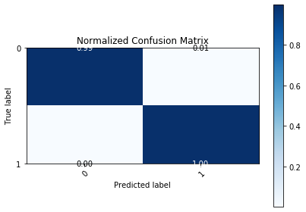
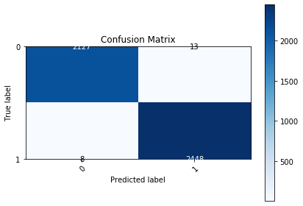
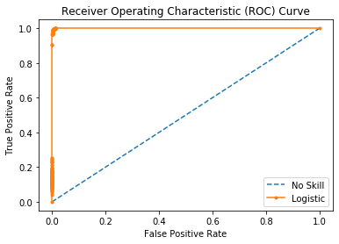
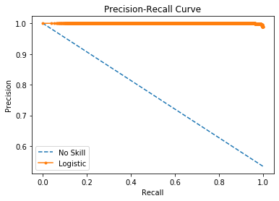

Logistic Area Under Curve | 0.99985102286 | Logistic Area Under Curve | 0.9998677631
No Skill Area Under Curve | 0.5 | Logistic F1 | 0.99572910311
Optimal Threshold | 0.49449755972 | No Skill Area Under Curve | 0.76718885988
 |  | No Skill F1 | 0
 |  | Best Threshold (F1) | 0.49

